Sheet1
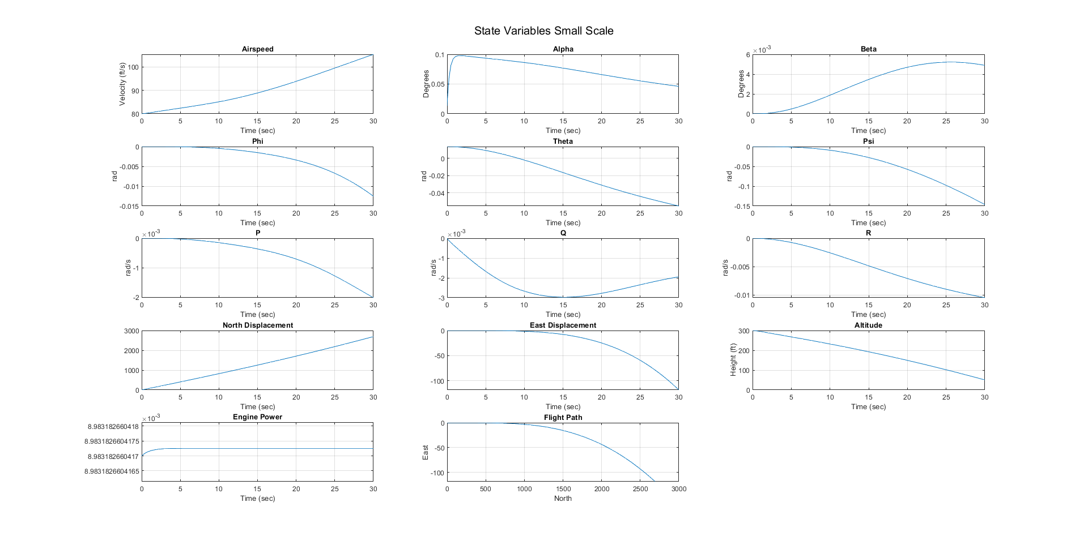
Small Scale Wings Level Gamma = 0 | State Vector |  | State Vector |  | Control Vector |  | State Vector |  | Control Vector
 | Guess |  | Input |  | Guess |  | Trimmer Fun Output |  | Trimmer Fun Ouput
 | x1 (airspeed) | 0 | x1 (airspeed) | 80 ft/s | u1 (Throttle) | 0 | x1 (airspeed) | 80 ft/s | u1 (Throttle) | 0.76999999744
 | x2 (aoa) | 0 | x2 (aoa) | 0 | u2 (Elevator) | 0 | x2 (aoa) | 0.013680701328 | u2 (Elevator) | 0.00053642663983
 | x3 (sideslip) | 0 | x3 (sideslip) | 0 | u3 (Aileron) | 0 | x3 (sideslip) | 0 | u3 (Aileron) | 0
 | x4 (phi) | 0 | x4 (phi) | 0 | u4 (Rudder) | 0 | x4 (phi) | 0 | u4 (Rudder) | 0
 | x5 (theta) | 0 | x5 (theta) | 0 |  |  | x5 (theta) | 0.013680701328
 | x6 (psi) | 0 | x6 (psi) | 0 |  |  | x6 (psi) | 0
 | x7 (P) | 0 | x7 (P) | 0 |  |  | x7 (P) | 0
 | x8 (Q) | 0 | x8 (Q) | 0 |  |  | x8 (Q) | 0
 | x9 (R ) | 0 | x9 (R ) | 0 |  |  | x9 (R ) | 0
 | x10 (North) | 0 | x10 (North) | 0 |  |  | x10 (North) | 0
 | x11 (East) | 0 | x11 (East) | 0 |  |  | x11 (East) | 0
 | x12 (Altitude) | 0 | x12 (Altitude) | 300 ft |  |  | x12 (Altitude) | 0
 | x13 (Engine Power) | 0 | x13 (Engine Power) | 0 |  |  | x13 (Engine Power) | 0.0089831826401

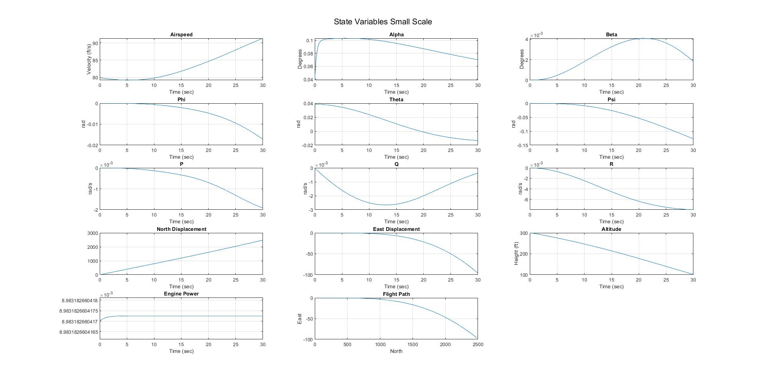
Small Scale Wings Level Gamma <> 0 | State Vector |  | State Vector |  | Control Vector |  | State Vector |  | Control Vector
 | Guess |  | Input |  | Guess |  | Trimmer Fun Output |  | Trimmer Fun Ouput
 | x1 (airspeed) | 0 | x1 (airspeed) | 80 ft/s | u1 (Throttle) | 0 | x1 (airspeed) | 80 ft/s | u1 (Throttle) | 0.7699999997
 | x2 (aoa) | 0 | x2 (aoa) | 0 | u2 (Elevator) | 0 | x2 (aoa) | 0.038587835163 | u2 (Elevator) | -6.832853E-09
 | x3 (sideslip) | 0 | x3 (sideslip) | 0 | u3 (Aileron) | 0 | x3 (sideslip) | 0 | u3 (Aileron) | 0
 | x4 (phi) | 0 | x4 (phi) | 0 | u4 (Rudder) | 0 | x4 (phi) | 0 | u4 (Rudder) | 0
 | x5 (theta) | 0 | x5 (theta) | 0 |  |  | x5 (theta) | 0.038587835163
 | x6 (psi) | 0 | x6 (psi) | 0 |  |  | x6 (psi) | 0
 | x7 (P) | 0 | x7 (P) | 0 |  |  | x7 (P) | 0
 | x8 (Q) | 0 | x8 (Q) | 0 |  |  | x8 (Q) | 0
 | x9 (R ) | 0 | x9 (R ) | 0 |  |  | x9 (R ) | 0
 | x10 (North) | 0 | x10 (North) | 0 |  |  | x10 (North) | 0
 | x11 (East) | 0 | x11 (East) | 0 |  |  | x11 (East) | 0
 | x12 (Altitude) | 0 | x12 (Altitude) | 300 ft |  |  | x12 (Altitude) | 0
 | x13 (Engine Power) | 0 | x13 (Engine Power) | 0 |  |  | x13 (Engine Power) | 0.0089831826401

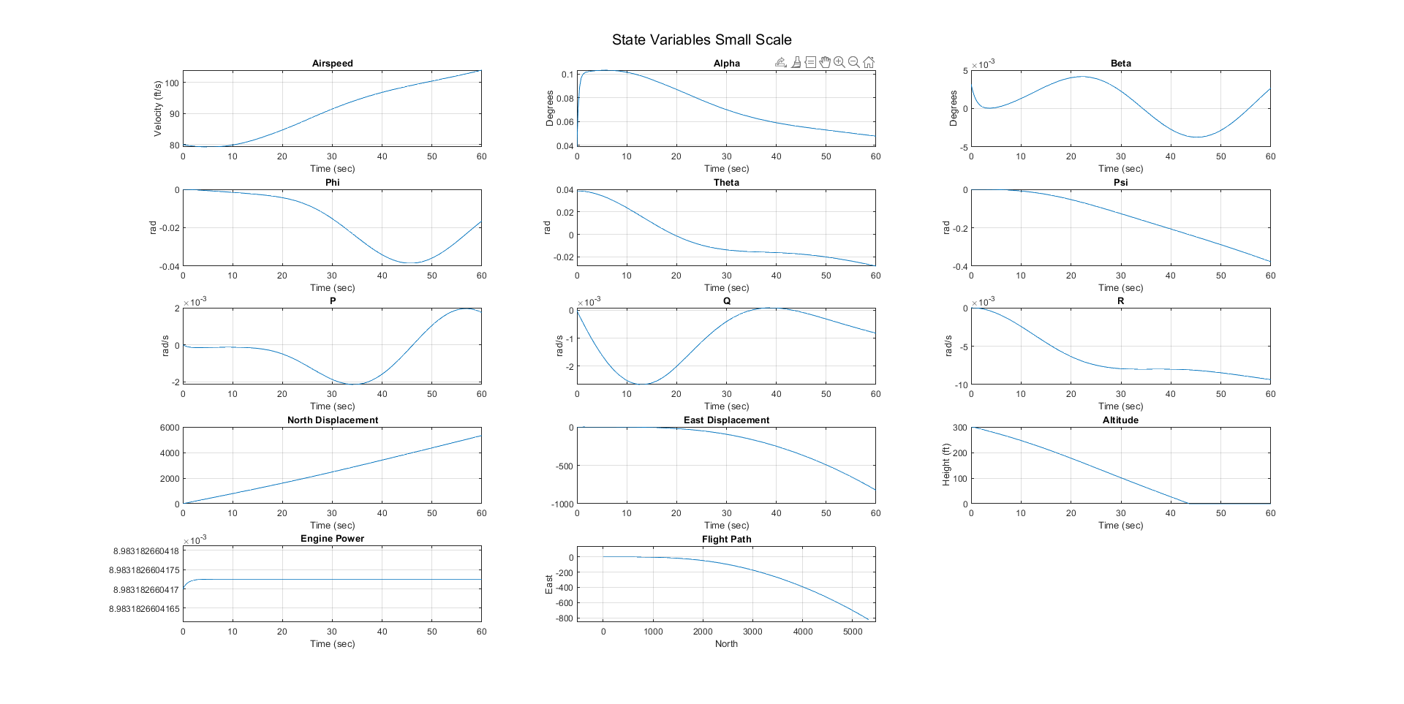
Small Scale Steady Constant Altitude Turn | State Vector |  | State Vector |  | Control Vector |  | State Vector |  | Control Vector
 | Guess |  | Input |  | Guess |  | Trimmer Fun Output |  | Trimmer Fun Ouput
 | x1 (airspeed) | 0 | x1 (airspeed) | 80 ft/s | u1 (Throttle) | 0 | x1 (airspeed) | 80 ft/s | u1 (Throttle) | 0.7699999997
 | x2 (aoa) | 0 | x2 (aoa) | 0 | u2 (Elevator) | 0 | x2 (aoa) | 0.03861223591 | u2 (Elevator) | 6.8124E-11
 | x3 (sideslip) | 0 | x3 (sideslip) | 0 | u3 (Aileron) | 0 | x3 (sideslip) | 0 | u3 (Aileron) | -0.007869092968
 | x4 (phi) | 0 | x4 (phi) | 0 | u4 (Rudder) | 0 | x4 (phi) | 0.0032051237432 | u4 (Rudder) | -0.044902790516
 | x5 (theta) | 0 | x5 (theta) | 0 |  |  | x5 (theta) | 0.038610415281
 | x6 (psi) | 0 | x6 (psi) | 0 |  |  | x6 (psi) | 0
 | x7 (P) | 0 | x7 (P) | 0 |  |  | x7 (P) | 0
 | x8 (Q) | 0 | x8 (Q) | 0 |  |  | x8 (Q) | 0
 | x9 (R ) | 0 | x9 (R ) | 0 |  |  | x9 (R ) | 0
 | x10 (North) | 0 | x10 (North) | 0 |  |  | x10 (North) | 0
 | x11 (East) | 0 | x11 (East) | 0 |  |  | x11 (East) | 0
 | x12 (Altitude) | 0 | x12 (Altitude) | 300 ft |  |  | x12 (Altitude) | 0
 | x13 (Engine Power) | 0 | x13 (Engine Power) | 0 |  |  | x13 (Engine Power) | 0.0089831826401
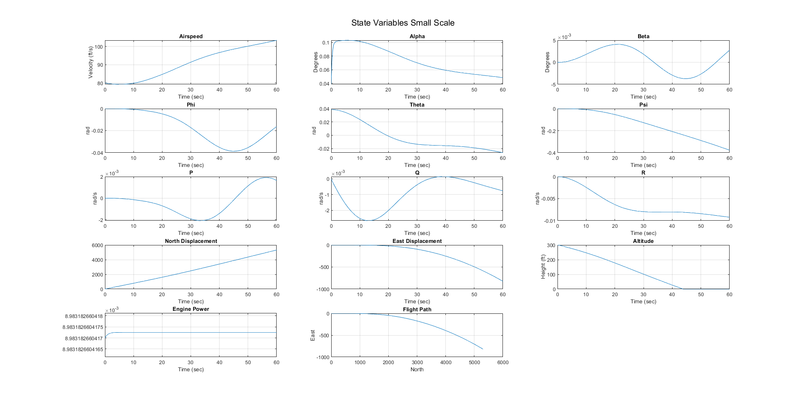
Small Scale Steady Constant Altitude Turn | State Vector |  | State Vector |  | Control Vector |  | State Vector |  | Control Vector
 | Guess |  | Input |  | Guess |  | Trimmer Fun Output |  | Trimmer Fun Ouput
 | x1 (airspeed) | 0 | x1 (airspeed) | 80 ft/s | u1 (Throttle) | 0 | x1 (airspeed) | 80 ft/s | u1 (Throttle) | 0.7699999997
 | x2 (aoa) | 0 | x2 (aoa) | 0 | u2 (Elevator) | 0 | x2 (aoa) | 0.038587835163 | u2 (Elevator) | -6.832853E-09
 | x3 (sideslip) | 0 | x3 (sideslip) | 0 | u3 (Aileron) | 0 | x3 (sideslip) | 0 | u3 (Aileron) | 0
 | x4 (phi) | 0 | x4 (phi) | 0 | u4 (Rudder) | 0 | x4 (phi) | 0 | u4 (Rudder) | 0
 | x5 (theta) | 0 | x5 (theta) | 0 |  |  | x5 (theta) | 0.038587835163
 | x6 (psi) | 0 | x6 (psi) | 0 |  |  | x6 (psi) | 0
 | x7 (P) | 0 | x7 (P) | 0 |  |  | x7 (P) | 0
 | x8 (Q) | 0 | x8 (Q) | 0 |  |  | x8 (Q) | 0
 | x9 (R ) | 0 | x9 (R ) | 0 |  |  | x9 (R ) | 0
 | x10 (North) | 0 | x10 (North) | 0 |  |  | x10 (North) | 0
 | x11 (East) | 0 | x11 (East) | 0 |  |  | x11 (East) | 0
 | x12 (Altitude) | 0 | x12 (Altitude) | 300 ft |  |  | x12 (Altitude) | 0
 | x13 (Engine Power) | 0 | x13 (Engine Power) | 0 |  |  | x13 (Engine Power) | 0.0089831826401
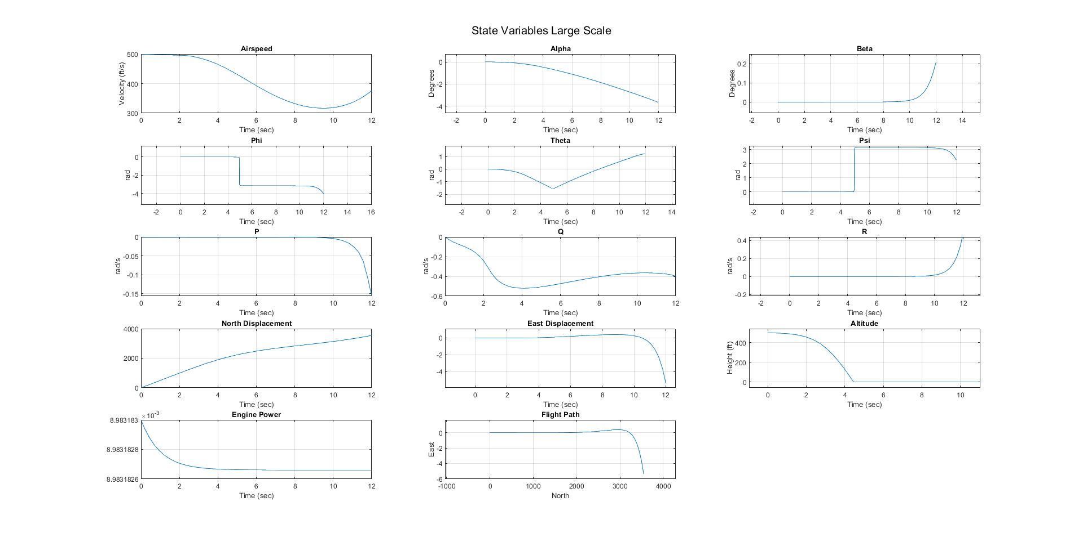
Large Scale Wings Level Gamma = 0 | State Vector |  | State Vector |  | Control Vector |  | State Vector |  | Control Vector
 | Guess |  | Input |  | Guess |  | Trimmer Fun Output |  | Trimmer Fun Ouput
 | x1 (airspeed) | 0 | x1 (airspeed) | 500 ft/s | u1 (Throttle) | 0 | x1 (airspeed) | 500 ft/s | u1 (Throttle) | 0.76999999968
 | x2 (aoa) | 0 | x2 (aoa) | 0 | u2 (Elevator) | 0 | x2 (aoa) | 0.013216576012 | u2 (Elevator) | 0.00033310268274
 | x3 (sideslip) | 0 | x3 (sideslip) | 0 | u3 (Aileron) | 0 | x3 (sideslip) | 0 | u3 (Aileron) | 0
 | x4 (phi) | 0 | x4 (phi) | 0 | u4 (Rudder) | 0 | x4 (phi) | 0 | u4 (Rudder) | 0
 | x5 (theta) | 0 | x5 (theta) | 0 |  |  | x5 (theta) | 0.013216576012
 | x6 (psi) | 0 | x6 (psi) | 0 |  |  | x6 (psi) | 0
 | x7 (P) | 0 | x7 (P) | 0 |  |  | x7 (P) | 0
 | x8 (Q) | 0 | x8 (Q) | 0 |  |  | x8 (Q) | 0
 | x9 (R ) | 0 | x9 (R ) | 0 |  |  | x9 (R ) | 0
 | x10 (North) | 0 | x10 (North) | 0 |  |  | x10 (North) | 0
 | x11 (East) | 0 | x11 (East) | 0 |  |  | x11 (East) | 0
 | x12 (Altitude) | 0 | x12 (Altitude) | 500 ft |  |  | x12 (Altitude) | 0
 | x13 (Engine Power) | 0 | x13 (Engine Power) | 0 |  |  | x13 (Engine Power) | 0.0089831826401

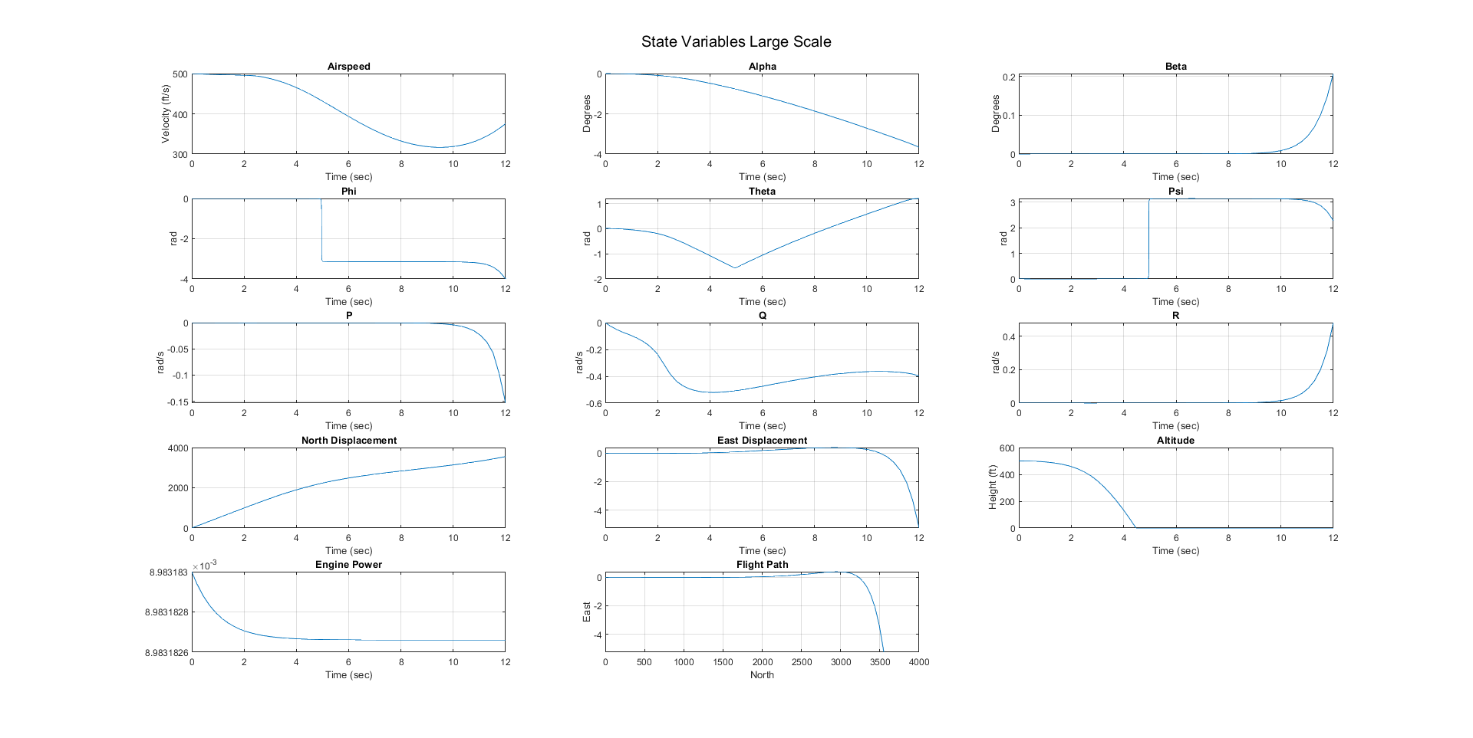
Large Scale Wings Level Gamma <> 0 | State Vector |  | State Vector |  | Control Vector |  | State Vector |  | Control Vector
 | Guess |  | Input |  | Guess |  | Trimmer Fun Output |  | Trimmer Fun Ouput
 | x1 (airspeed) | 0 | x1 (airspeed) | 500 ft/s | u1 (Throttle) | 0 | x1 (airspeed) | 500 ft/s | u1 (Throttle) | 0.76999999968
 | x2 (aoa) | 0 | x2 (aoa) | 0 | u2 (Elevator) | 0 | x2 (aoa) | 0.014255551396 | u2 (Elevator) | -7E-15
 | x3 (sideslip) | 0 | x3 (sideslip) | 0 | u3 (Aileron) | 0 | x3 (sideslip) | 0 | u3 (Aileron) | 0
 | x4 (phi) | 0 | x4 (phi) | 0 | u4 (Rudder) | 0 | x4 (phi) | 0 | u4 (Rudder) | 0
 | x5 (theta) | 0 | x5 (theta) | 0 |  |  | x5 (theta) | 0.014255551396
 | x6 (psi) | 0 | x6 (psi) | 0 |  |  | x6 (psi) | 0
 | x7 (P) | 0 | x7 (P) | 0 |  |  | x7 (P) | 0
 | x8 (Q) | 0 | x8 (Q) | 0 |  |  | x8 (Q) | 0
 | x9 (R ) | 0 | x9 (R ) | 0 |  |  | x9 (R ) | 0
 | x10 (North) | 0 | x10 (North) | 0 |  |  | x10 (North) | 0
 | x11 (East) | 0 | x11 (East) | 0 |  |  | x11 (East) | 0
 | x12 (Altitude) | 0 | x12 (Altitude) | 500 ft |  |  | x12 (Altitude) | 0
 | x13 (Engine Power) | 0 | x13 (Engine Power) | 0 |  |  | x13 (Engine Power) | 0.0089831826401
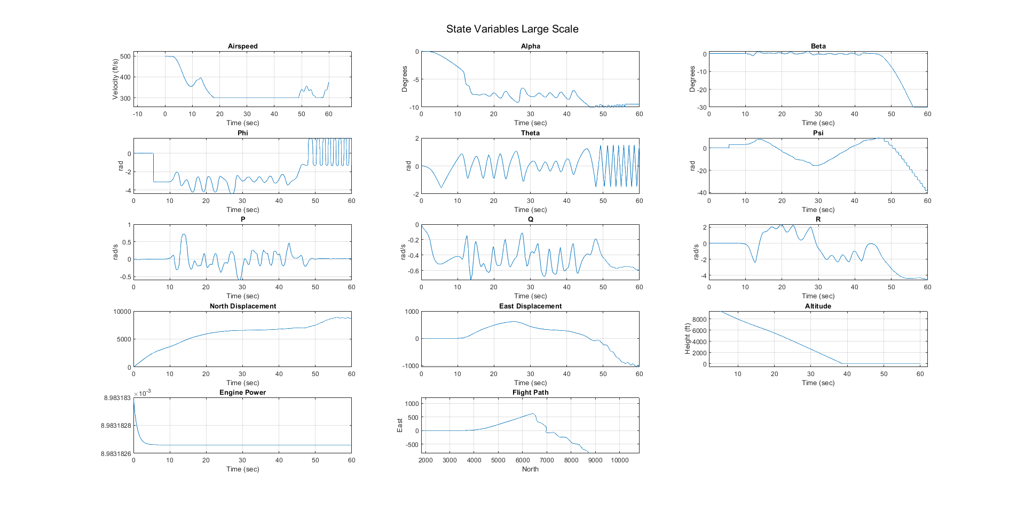
Large Scale Steady State Constant Altitude Turn | State Vector |  | State Vector |  | Control Vector |  | State Vector |  | Control Vector
 | Guess |  | Input |  | Guess |  | Trimmer Fun Output |  | Trimmer Fun Ouput
 | x1 (airspeed) | 0 | x1 (airspeed) | 500 ft/s | u1 (Throttle) | 0 | x1 (airspeed) | 500 ft/s | u1 (Throttle) | 0.76999999968
 | x2 (aoa) | 0 | x2 (aoa) | 0 | u2 (Elevator) | 0 | x2 (aoa) | 0.014255551396 | u2 (Elevator) | -7.601459761E-06
 | x3 (sideslip) | 0 | x3 (sideslip) | 0 | u3 (Aileron) | 0 | x3 (sideslip) | 0 | u3 (Aileron) | 0.021773620594
 | x4 (phi) | 0 | x4 (phi) | 0 | u4 (Rudder) | 0 | x4 (phi) | 0.015526302356 | u4 (Rudder) | 0.10743432957
 | x5 (theta) | 0 | x5 (theta) | 0 |  |  | x5 (theta) | 0.014255551396
 | x6 (psi) | 0 | x6 (psi) | 0 |  |  | x6 (psi) | 0
 | x7 (P) | 0 | x7 (P) | 0 |  |  | x7 (P) | 0
 | x8 (Q) | 0 | x8 (Q) | 0 |  |  | x8 (Q) | 0
 | x9 (R ) | 0 | x9 (R ) | 0 |  |  | x9 (R ) | 0
 | x10 (North) | 0 | x10 (North) | 0 |  |  | x10 (North) | 0
 | x11 (East) | 0 | x11 (East) | 0 |  |  | x11 (East) | 0
 | x12 (Altitude) | 0 | x12 (Altitude) | 10000 ft |  |  | x12 (Altitude) | 0
 | x13 (Engine Power) | 0 | x13 (Engine Power) | 0 |  |  | x13 (Engine Power) | 0.0089831826401

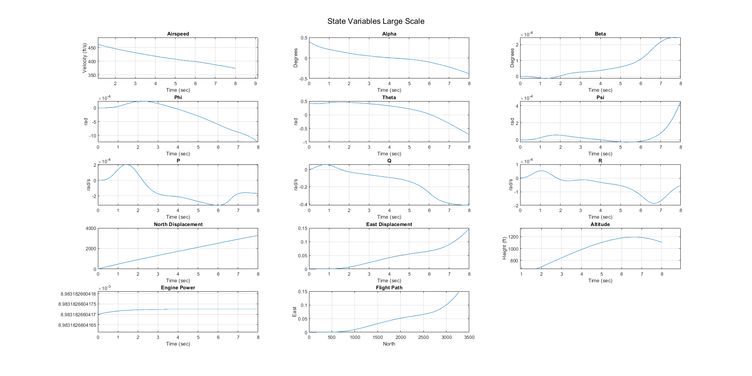
Large Scale Steady State Pull Up | State Vector |  | State Vector |  | Control Vector |  | State Vector |  | Control Vector
 | Guess |  | Input |  | Guess |  | Trimmer Fun Output |  | Trimmer Fun Ouput
 | x1 (airspeed) | 0 | x1 (airspeed) | 500 ft/s | u1 (Throttle) | 0 | x1 (airspeed) | 500 ft/s | u1 (Throttle) | 0.76999999968
 | x2 (aoa) | 0 | x2 (aoa) | 0 | u2 (Elevator) | 0 | x2 (aoa) | 0.40325361206 | u2 (Elevator) | 7.53604E-10
 | x3 (sideslip) | 0 | x3 (sideslip) | 0 | u3 (Aileron) | 0 | x3 (sideslip) | 0 | u3 (Aileron) | 0
 | x4 (phi) | 0 | x4 (phi) | 0 | u4 (Rudder) | 0 | x4 (phi) | 0 | u4 (Rudder) | 0
 | x5 (theta) | 0 | x5 (theta) | 0 |  |  | x5 (theta) | 0.40325361206
 | x6 (psi) | 0 | x6 (psi) | 0 |  |  | x6 (psi) | 0
 | x7 (P) | 0 | x7 (P) | 0 |  |  | x7 (P) | 0
 | x8 (Q) | 0 | x8 (Q) | 0 |  |  | x8 (Q) | 0
 | x9 (R ) | 0 | x9 (R ) | 0 |  |  | x9 (R ) | 0
 | x10 (North) | 0 | x10 (North) | 0 |  |  | x10 (North) | 0
 | x11 (East) | 0 | x11 (East) | 0 |  |  | x11 (East) | 0
 | x12 (Altitude) | 0 | x12 (Altitude) | 500 ft |  |  | x12 (Altitude) | 0
 | x13 (Engine Power) | 0 | x13 (Engine Power) | 0 |  |  | x13 (Engine Power) | 0.0089831826401

